Instructions
MD_MAX72xx and Parola Font Editor v2

Purpose
The purpose of this workbook is to simplify the coding of LED matrix font files for the MD_MAX72xx and MD_Parola libraries. All characters are 8 or 16 pixels high and can be as wide as necessary. This tool allows up to 10 columns.

Principles of Operation
The font definitions are a series of bytes representing columns of data (one column of the LED display) preceded by the number of bytes in that definition. This allows both variable size characters and fixed size characters to be defined in the same way. The ASCII code for the character is inferred from the position in the file (i.e., the 100th character definition is for ASCII value 99, as numbering starts at 0).
5, 62, 107, 79, 107, 62, // 2 - Happy Smiley
In the above example, 5 is the number of bytes in the definition and the remaining bytes are the bitmap for the character. The comment line is auto generated by this tool to include the ASCII value and the optional label entered for this character.

Workflow
The main work sheet is the "Work Sheet". All macros included in this file are keyed to work in this sheet. Additional sheets are used to store font files that are not being worked on.
The red areas of the worksheet are protected from being overwritten, the green area is the main data manipulation space and the orange area is the output code that will be copied to the clipboartd. Put simply - Red is no-go, green is for input and Orange is for output.
The work area is normally initialised to zero before starting a new font, or an existing font may be loaded into the workspace. Data for a character can be input manually (useful for copying similar characters) or using a special form that is reached from the corresponding button in column 2.
At any time, the orange output area will contain the latest font table. Use the ''Copy to Clipboard' button to copy the text to the clipboard.

At the top of "Work Sheet" is a checkbox that allows th tool to be used in either single height of double height mode. In single height mode each character is only allowed to be 8 LEDs tall, in double height mode 16 LEDs. In both cases the maximum width remains 10 LEDs. This setting is used to enable different modes of editing characters.
Double height mode simpifies the management of the two halves of a double height character. The lower half of each character is located at ASCII codes 0 through 127 and the upper part is located in ASCII codes 128 through 255. The upper portion is always at a fixed 128 code offset from the lower part.

Fixed and Proportional Fonts
By default this tool will generate proportional fonts, but fixed width fonts can also be created.
In Proportional fonts, the width is dictated by the number of bytes defined. Set the W column entry to zero to choose this mode.
If a character needs to be a specific width, enter this into the W column of the character definition to override the automatic setting. If every character is fixed, then each W column entry will need to be set to the same value.
NOTE: Even with proportional fonts, the definition for the SPACE character needs to have a fixed width (suggested 2 for single height fonts) or it will result in a zero column character.

Input Form
The character input form is used to define a character in the font file. The double height checkbox will change how tall the character defintion can be, as shown by the two figures below, but the functionality remains the same.

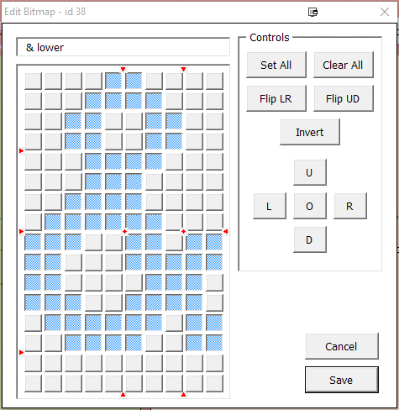
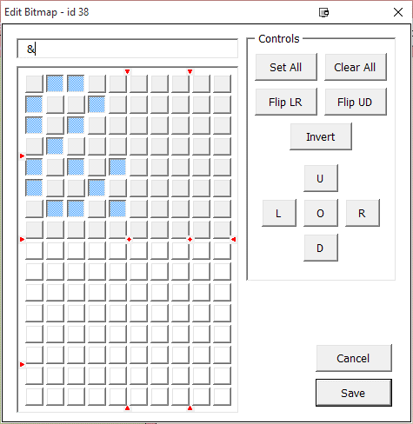

The title of the form includes the ASCII value for the edited character
The text field above the matrix grid is for editing the character label.
The Save button is used to exit the form and save the character definition to the Work Sheet
The Cancel button is for quitting the edit without saving. If the character has been edited the form will seek confirmation before exiting.
The Set All button sets all the pixels ON and the Clear All button clears them all.
The flip buttons are to flip the definition Left to RIGHT (around the vertical axis) and Up to Down (around the horizontal axis)
The buttons labelled L, R, U and D slide the image by one pixel to the Left, Right, Up and Down, respectively.
The button labelled O rotates the image by 90 degrees clockwise. The rotation only occurs for the upper left square of pixels - the additional pixels to the right or below (depending on double height mode) remain untouched.
The small red markers are located vertically at the 5 column and the 8 column positions. 5 columns is a common boundary because of the many 5x7 fonts and 8 columns marks the edge of the 8x8 matrix square. Vertically the markers are located after rows 4 (midpoint of the top matrix), 8 (bottom of the top matrix) and 14 (location for double height descenders).
Finally, to set or reset a pixel in the font, click on the pixel.

Show All Form
The Show All button at the top left corner of the Work Sheet is used to scan through all the characters in a read-only mode. This is useful for seeing what characters are defined. How the characeter is displayed respects the double height checkbox setting.
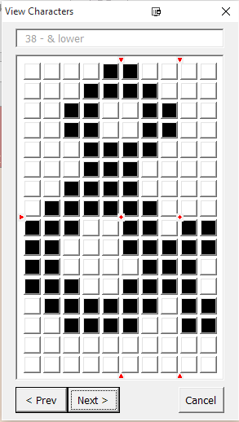
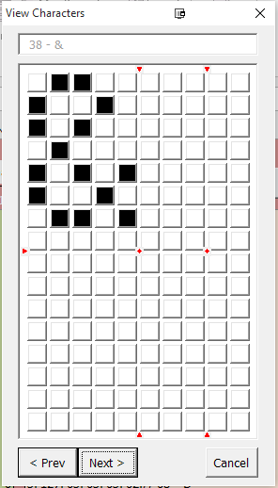

The Cancel button exits the form.
The Prev and Next buttons move to the previous and next character definitions, with wraparound at the first and last character.

